Sheet1
 |  | Document No. | Issue No. | Issue Date |  | Review and Replace Date |  | Authorised By
 |  | GFF343MC | 3 | 26.10.2021 |  | 28.03.2022 |  | Magda Shah
 |  | Document Title | 4 ONION BHAJI 160g

Document amendments reason for change |  | Document reviwed | Page 1 of 1 |  | Previous Issue Date |  | 28.12.2021 | Uncontrolled copy unless signed original

COBHC3-R6TAC | AUTHENTIC CUISINE |  |  |  | 4 ONION BHAJI 160g | CHILLED
STEP 1 |  |  |  |  | STEP 2
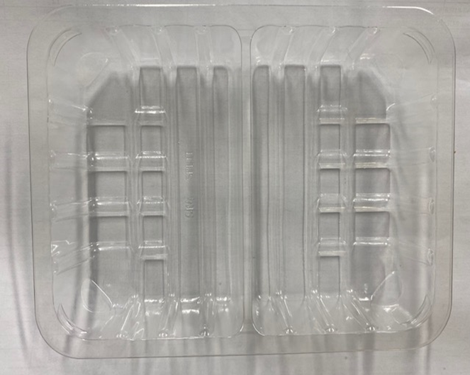 |  |  |  |  | 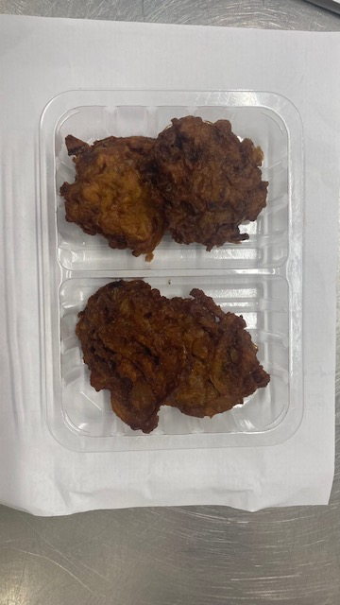

Tray: SK4 Split Clear (PKESS001-06) |  |  |  |  | Onion Bhaji (GFF121R) 40g: 4 pieces
Film: ME300AFV2, 300mmx 1000m (PKPRO001-16) |  |  |  |  | Total Weight: 160g
ALLERGY ALERT: NONE

